Form 6 Part 1-2 Ex
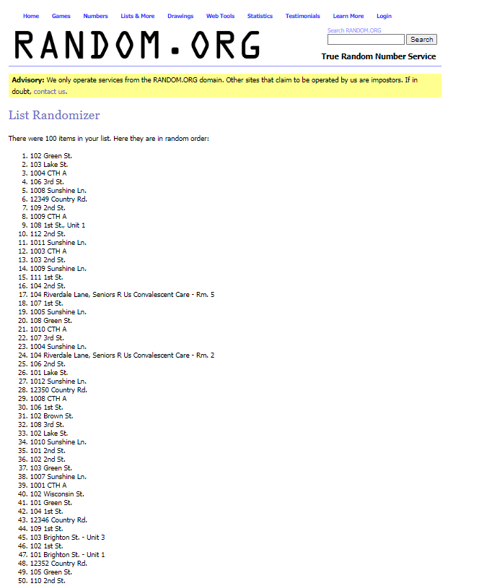
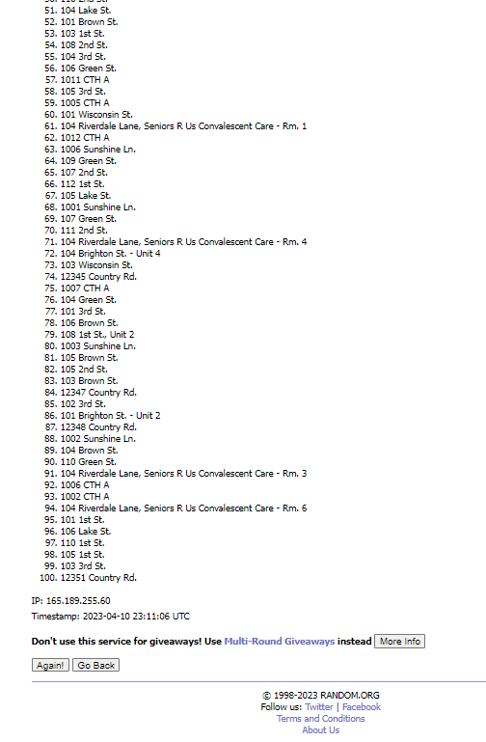
EXAMPLES
(FORM 6 - PART 1-2) Random Sample Survey Methodology |  | Survey Start Date: | 2023-09-01

Municipality: | Town of Yourville

Survey Area: | Community-Wide

EXAMPLE #1 - RANDOMIZER.ORG

PART 1 - Summary of Randomization Process:
 | Used Randomizer.org. Randomized 100 families. Selected families for Original Sample and Oversample through corresponding Family #s to p1-p49 in Randomizer.org Results. Results are below. Selected an additional 2 families for the Oversample group (p50-p51) after determining 2 addresses in the Original Sample were vacant.

PART 2 - Randomizer.org Random Number Generator Criteria Entered and Results Screenshots:
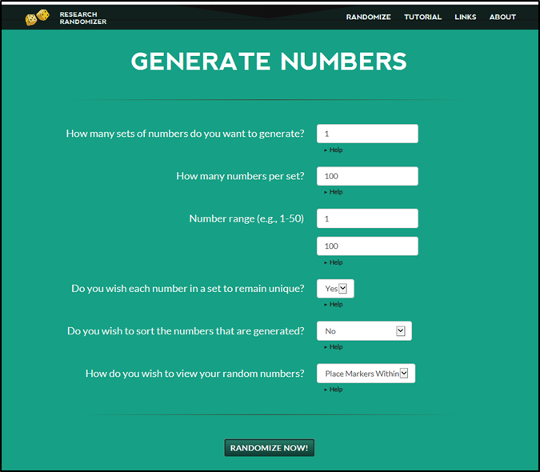
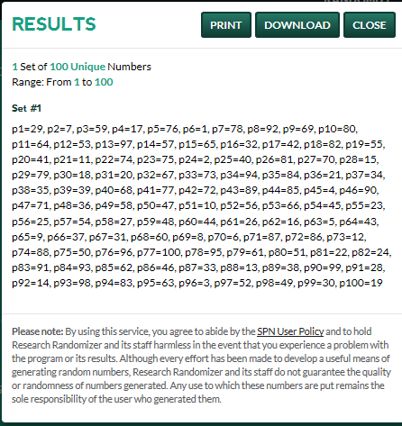

EXAMPLE #2 - RANDOM.ORG
PART 1 - Summary of Randomization Process:
 | Used Random.org. Randomized 100 families. Initially selected families for Original Sample and Oversample through corresponding Family #s to 1-49 in Random.org List Randomizer. List insertion and list results are shown below. Selected an additional 2 families for the Oversample group (50-51) after determining 2 addresses in the Original Sample were vacant.

PART 2 - Random.org Random Number Generator Criteria Entered and Results Screenshots:
https://www.random.org/lists/
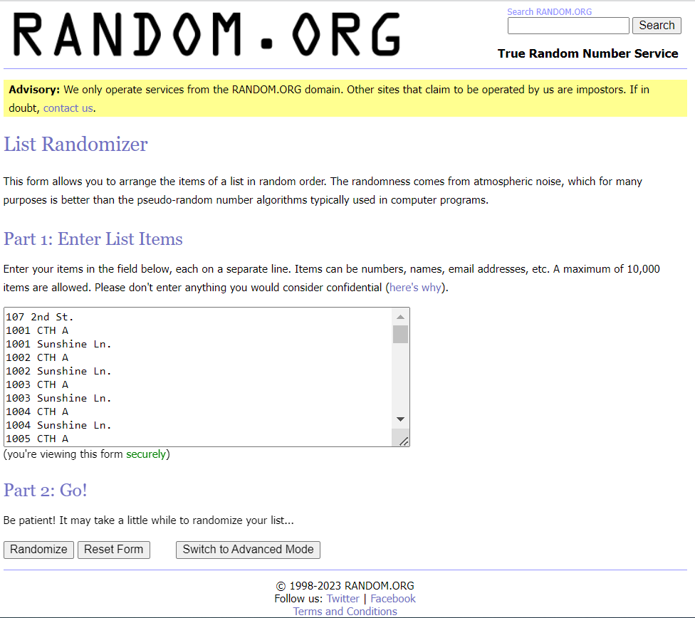

LIST RANDOM.ORG RESULTS FOR # ASSIGNMENTS AS SHOWN BELOW OR COPY SCREENSHOTS OF RESULTS AS SHOWN FURTHER BELOW:

List Randomizer

There were 100 items in your list. Here they are in random order:

1. 108 3rd St.
2. 1006 Sunshine Ln.
3. 12352 Country Rd.
4. 1010 Sunshine Ln.
5. 101 Lake St.
6. 112 1st St.
7. 103 1st St.
8. 101 Brighton St. - Unit 1
9. 1004 Sunshine Ln.
10. 104 2nd St.
11. 1008 Sunshine Ln.
12. 110 1st St.
13. 12349 Country Rd.
14. 104 1st St.
15. 104 Riverdale Lane, Seniors R Us Convalescent Care - Rm. 1
16. 1012 Sunshine Ln.
17. 1003 CTH A
18. 106 Lake St.
19. 1002 CTH A
20. 12351 Country Rd.
21. 1009 Sunshine Ln.
22. 105 2nd St.
23. 1009 CTH A
24. 108 1st St., Unit 1
25. 106 1st St.
26. 104 Riverdale Lane, Seniors R Us Convalescent Care - Rm. 3
27. 101 1st St.
28. 106 2nd St.
29. 109 2nd St.
30. 108 Green St.
31. 1005 CTH A
32. 1011 Sunshine Ln.
33. 107 Green St.
34. 110 Green St.
35. 12347 Country Rd.
36. 104 Riverdale Lane, Seniors R Us Convalescent Care - Rm. 2
37. 101 3rd St.
38. 103 Brown St.
39. 110 2nd St.
40. 101 Wisconsin St.
41. 102 Wisconsin St.
42. 103 3rd St.
43. 105 Brown St.
44. 1011 CTH A
45. 1001 Sunshine Ln.
46. 102 3rd St.
47. 1002 Sunshine Ln.
48. 1003 Sunshine Ln.
49. 12346 Country Rd.
50. 106 3rd St.
51. 103 Green St.
52. 104 Brighton St. - Unit 4
53. 103 Wisconsin St.
54. 107 2nd St.
55. 102 1st St.
56. 104 Riverdale Lane, Seniors R Us Convalescent Care - Rm. 5
57. 108 1st St., Unit 2
58. 103 2nd St.
59. 1006 CTH A
60. 105 3rd St.
61. 1012 CTH A
62. 109 Green St.
63. 102 Brown St.
64. 103 Lake St.
65. 104 Lake St.
66. 1010 CTH A
67. 103 Brighton St. - Unit 3
68. 108 2nd St.
69. 111 2nd St.
70. 1005 Sunshine Ln.
71. 12345 Country Rd.
72. 12350 Country Rd.
73. 104 Brown St.
74. 107 1st St.
75. 111 1st St.
76. 1008 CTH A
77. 101 Brown St.
78. 1001 CTH A
79. 105 1st St.
80. 1007 Sunshine Ln.
81. 12348 Country Rd.
82. 1007 CTH A
83. 102 Green St.
84. 101 Green St.
85. 106 Green St.
86. 107 3rd St.
87. 102 Lake St.
88. 104 Green St.
89. 101 2nd St.
90. 1004 CTH A
91. 104 Riverdale Lane, Seniors R Us Convalescent Care - Rm. 6
92. 112 2nd St.
93. 104 Riverdale Lane, Seniors R Us Convalescent Care - Rm. 4
94. 105 Green St.
95. 106 Brown St.
96. 101 Brighton St. - Unit 2
97. 105 Lake St.
98. 102 2nd St.
99. 109 1st St.
100. 104 3rd St.

IP: 165.189.255.60
Timestamp: 2023-08-15 20:23:03 UTC

RANDOM.ORG SCREENSHOTS OF RESULTS ARE SHOWN BELOW (submit in lieu of listing above):

